Sheet1
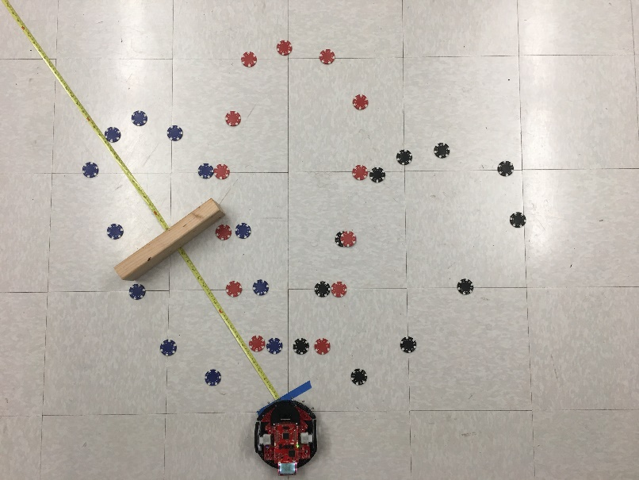
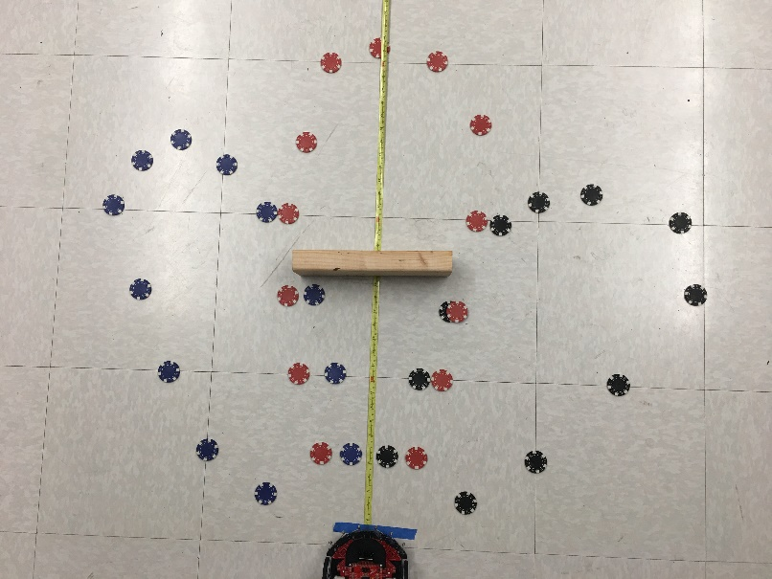
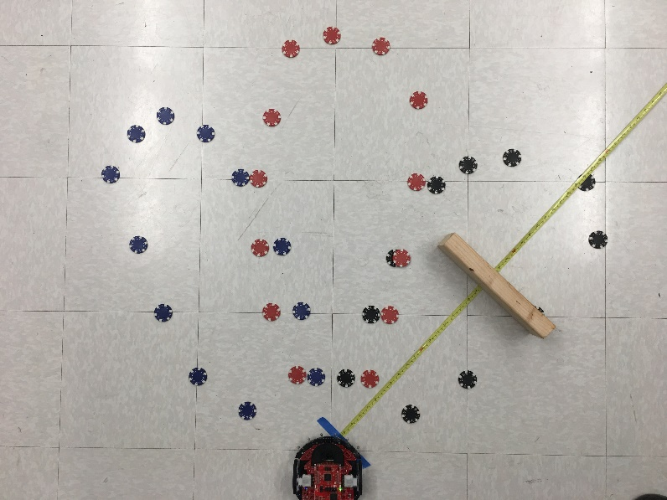
Location 0 defined to be the point under the OPT sensor
Distance of object defined in line with the sensor FOV
Object is a 29 cm long 2 by 4 wood, perpendicular to sensor
True (mm) | Left | Center | Right
100 | 34 | 6 | 13
200 | 127 | 132 | 132
300 | 222 | 231 | 238
400 | 316 | 324 | 347
500 | 398 | 422 | 459
600 | 490 | 515 | 573
700 | 569 | 611 | 691
800 | 642 | 714 | 815
900 | 705 | 804 | 918
1000 |  | 889 | 1030
1100 |  |  | 1120
OPT3101
 | Left | Center | Right
100 | 34 | 6 | 13
200 | 127 | 132 | 132
300 | 222 | 231 | 238
400 | 316 | 324 | 347
500 | 398 | 422 | 459
600 | 490 | 515 | 573
700 | 569 | 611 | 691
800 | 642 | 714 | 815
900 | 705 | 804 | 918
1000 |  | 889 | 1030
1100 |  |  | 1120

